Cover
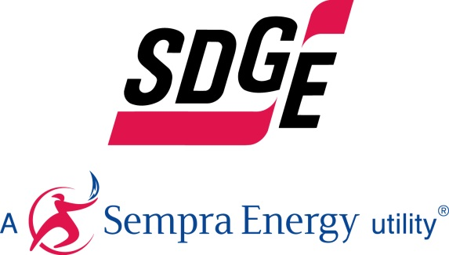

 | General Rate Case TY 2024

 | (SDG&E-Risk-1-QWP)
 | Wildfire
Workpapers

May 2022

